Sheet2
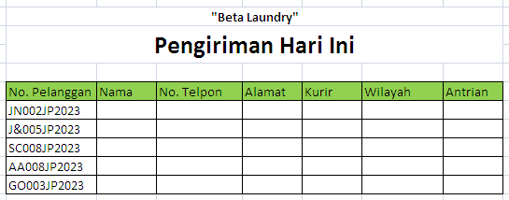
Latihan 12
Kerjakan di Sheet1
Buat Tabel seperti tampak pada Sheet2
Lengkapi kolom Nama, Alamat dan No. Telpon dengan menggunakan Formula LookUp berdasarkan data pada Sheet Pelanggan
Simpan file dengan format: Nama Lengkap Latihan 12

